Assignment 1
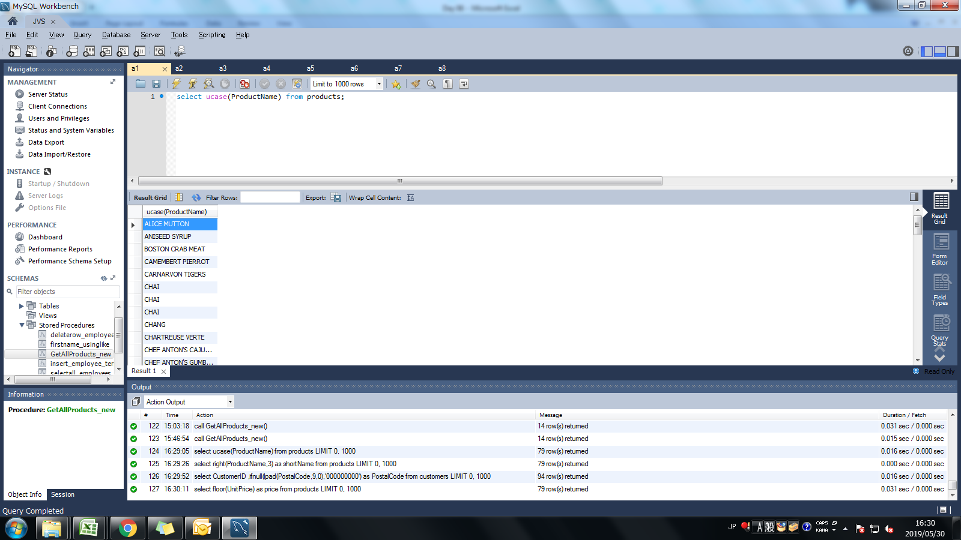
Assignment: | Display all the product name in uppercase.

Query: | select ucase(ProductName) from products;

Screen Shoot:

Assignment 2
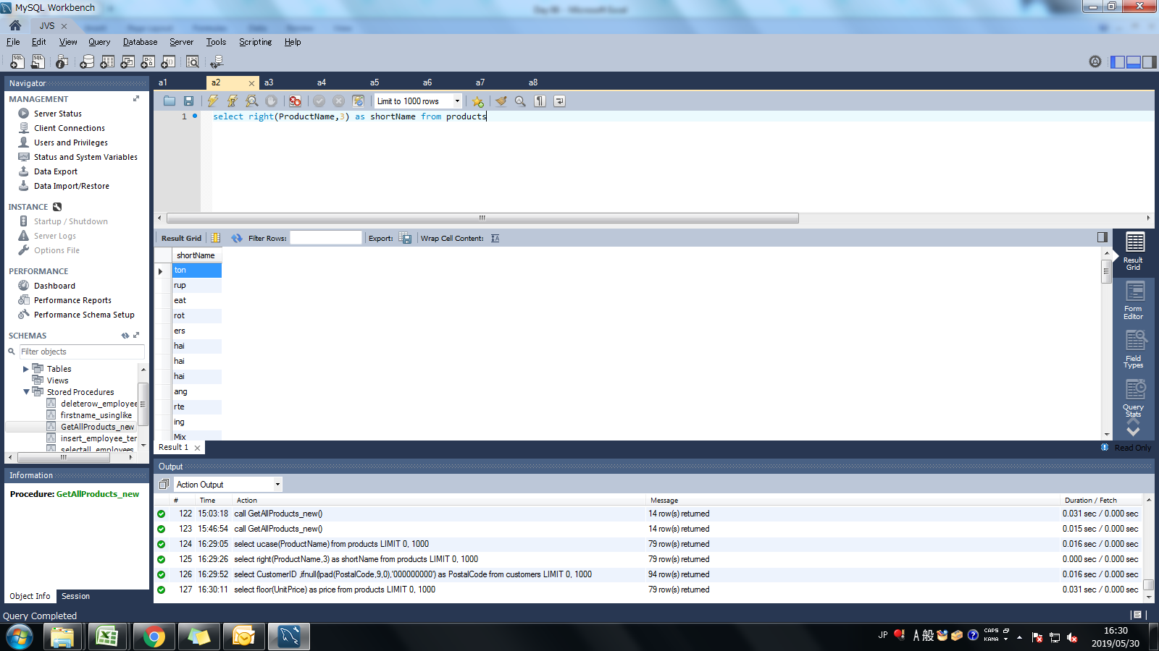
Assignment: | Display last 3 characters from product name

Query: | select right(ProductName,3) as shortName from products

Screen Shoot:

Assignment 3
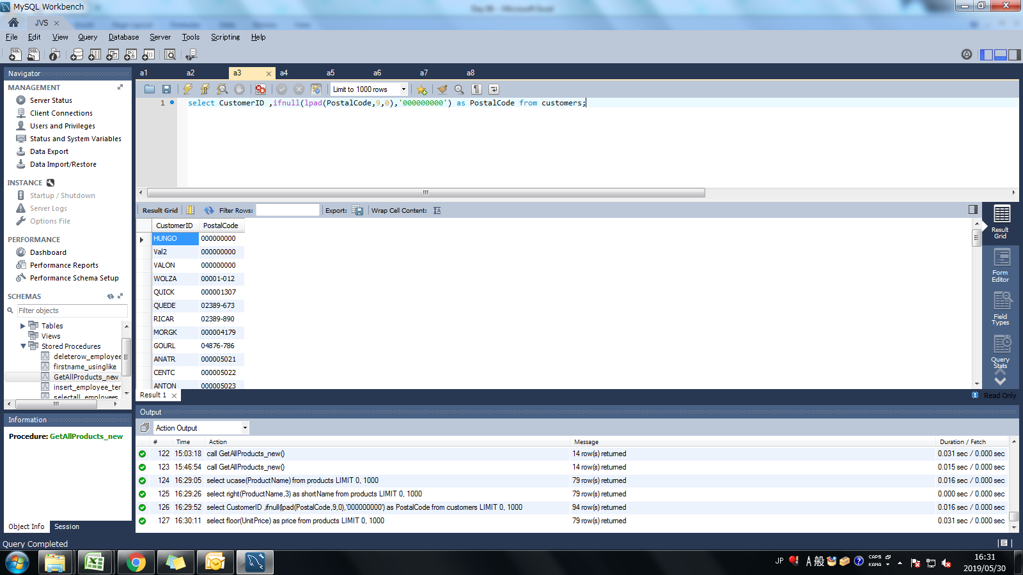
Assignment: | Display all the customers postal code. Postal code should be minimum 9 character. In case there are less then 9 character in database add "0" at beginning.

Query: | select CustomerID ,ifnull(lpad(PostalCode,9,0),'000000000') as PostalCode from customers;

Screen Shoot:

Assignment 4
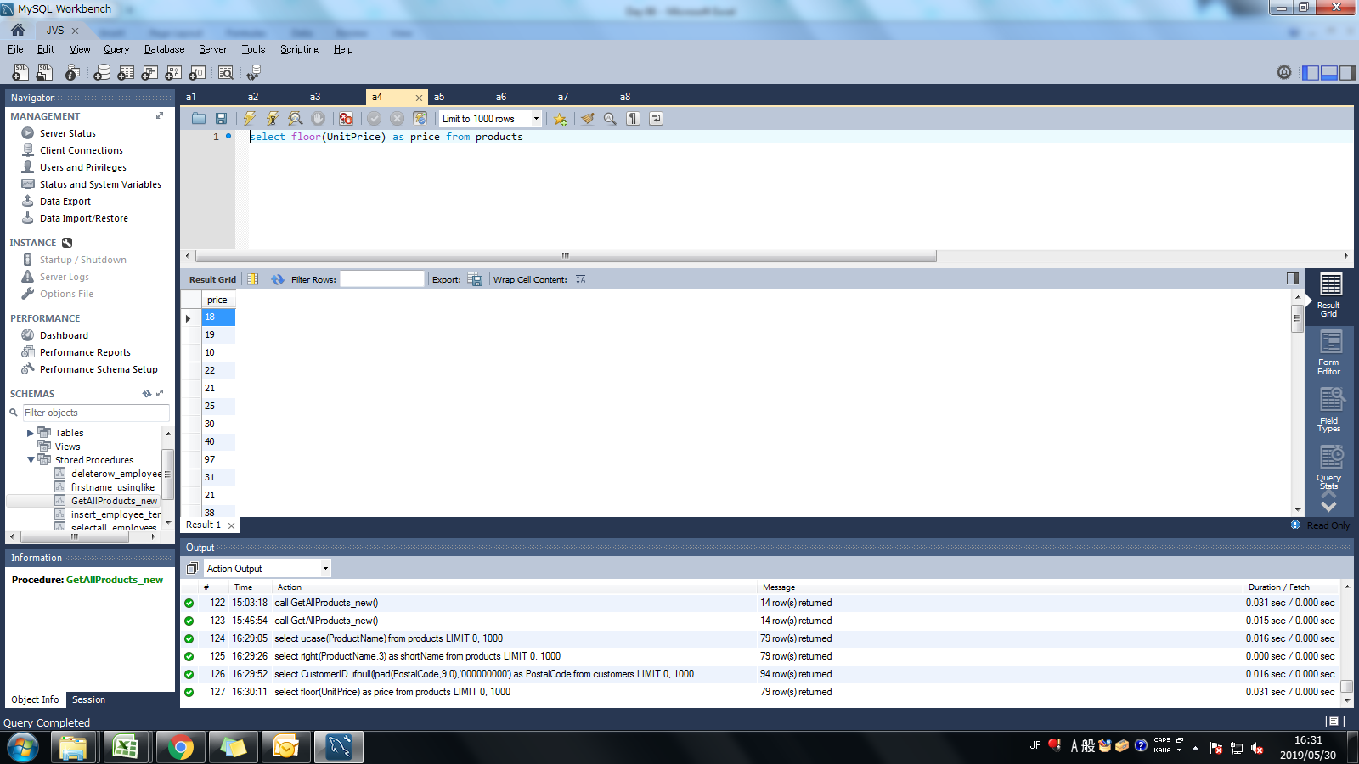
Assignment: | Display unitprice from products. Remove decimal from the unit price.

Query: | select floor(UnitPrice) as price from products

Screen Shoot:

Assignment 5
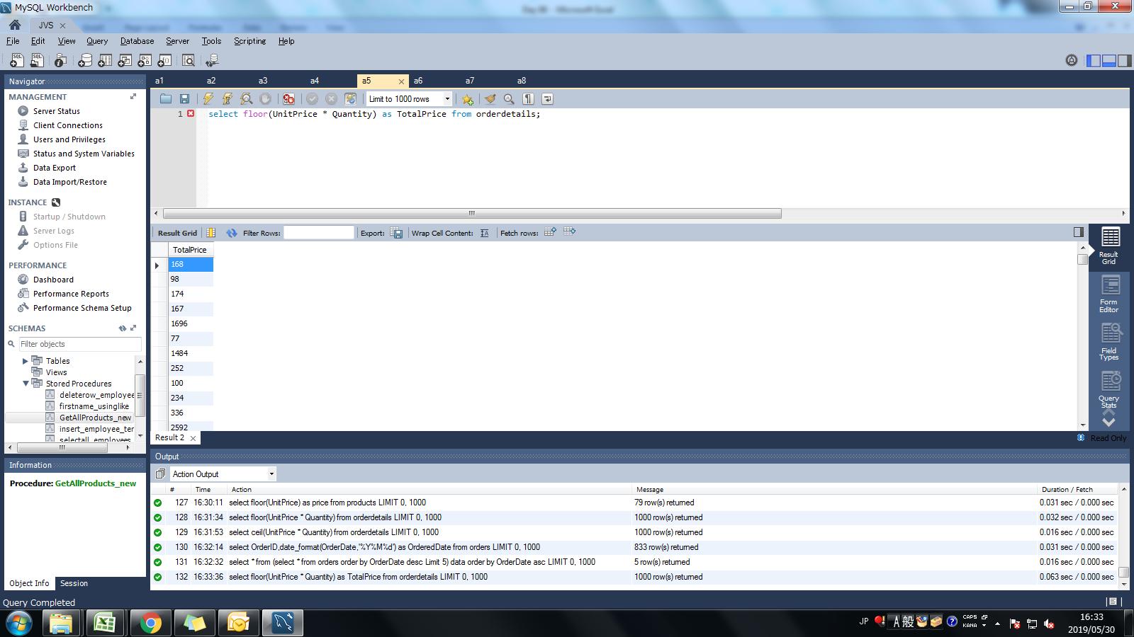
Assignment: | Get final order price per order. Price should be floored from the output.

Query: | select floor(UnitPrice * Quantity) from orderdetails;

Screen Shoot:

Assignment 6
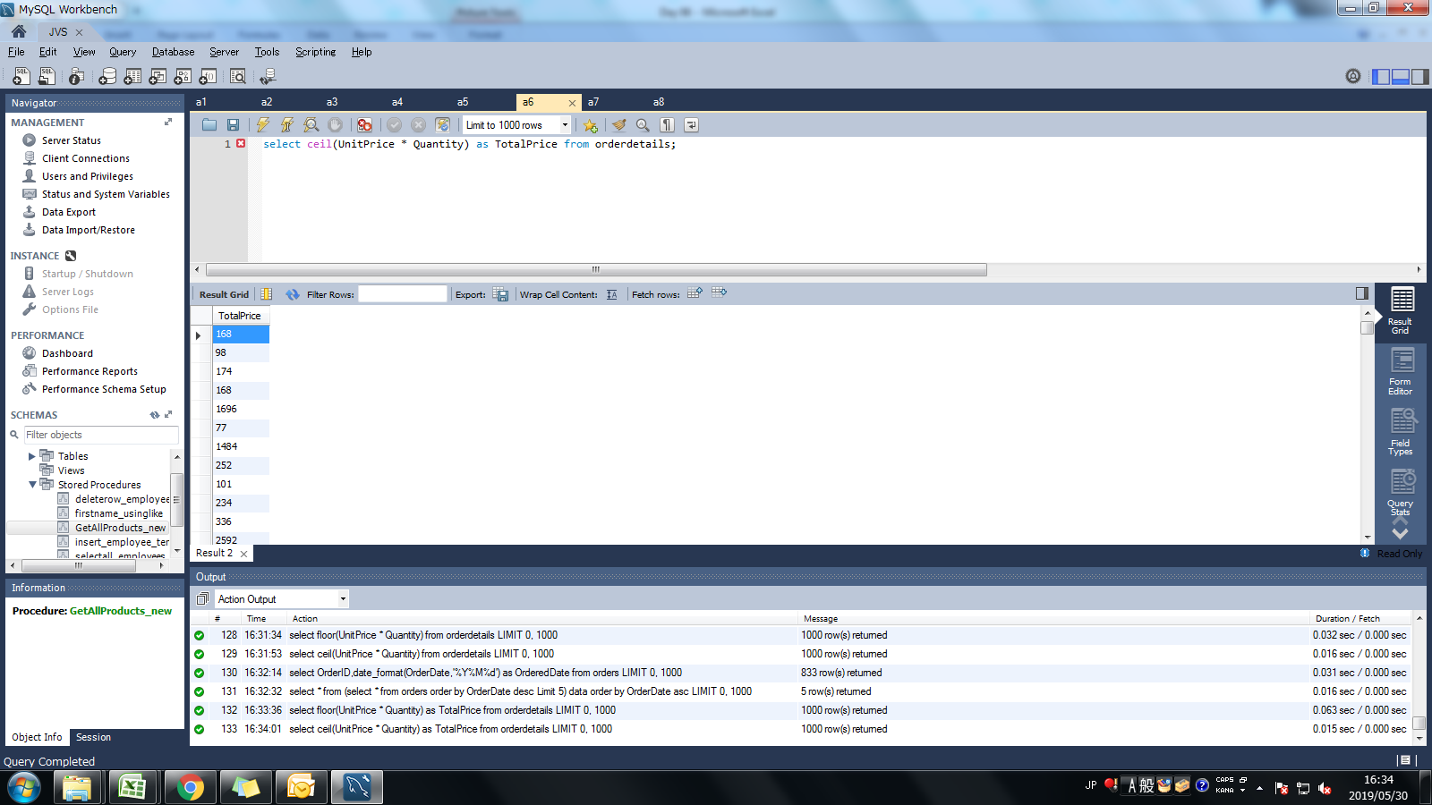
Assignment: | Get final order price per order. Price should be ceiled from the output.

Query: | select ceil(UnitPrice * Quantity) from orderdetails;

Screen Shoot:

Assignment 7
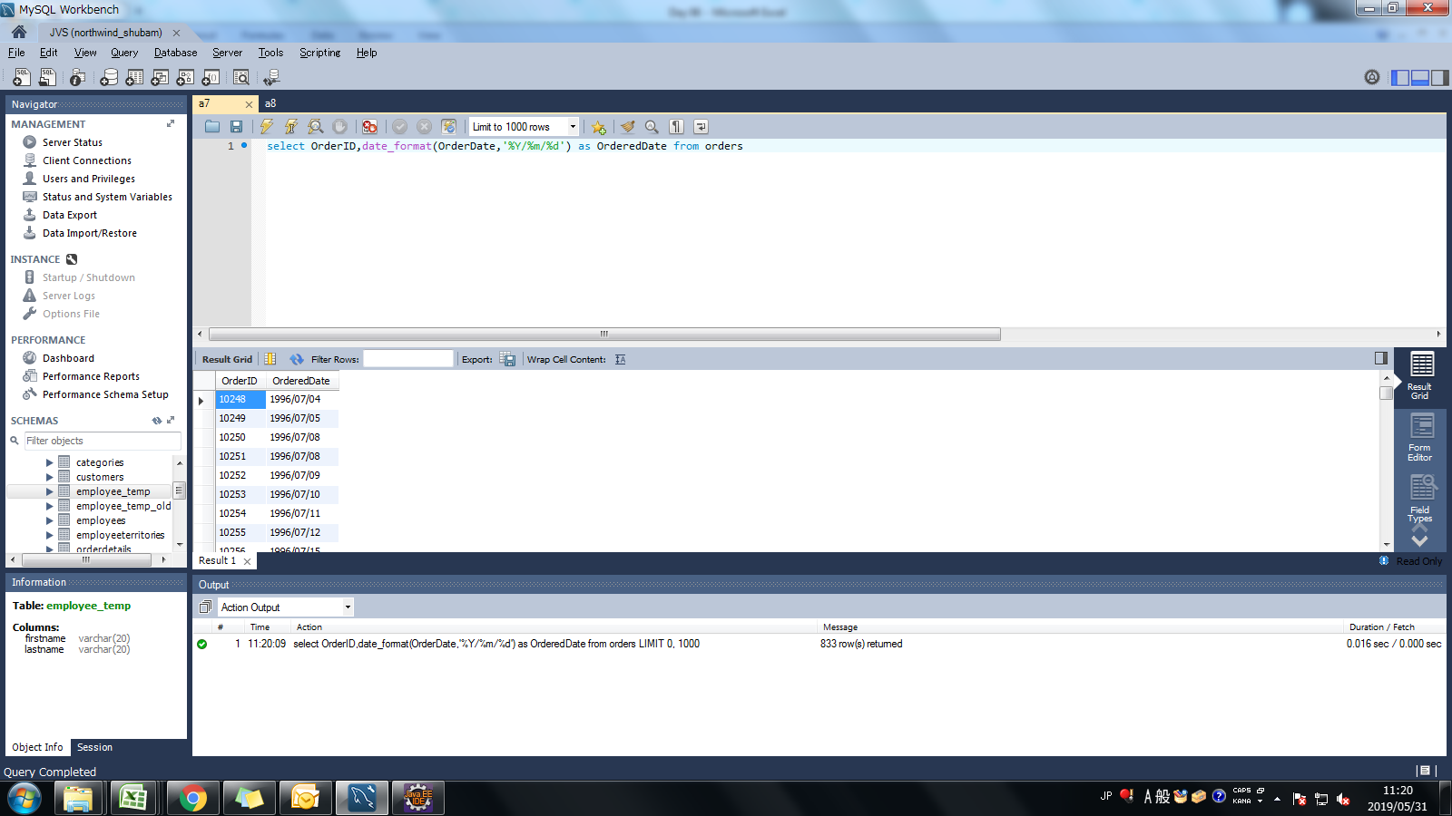
Assignment: | Display order date in yyyy/MM/dd format.

Query: | select OrderID,date_format(OrderDate,'%Y/%m/%d') as OrderedDate from orders

Screen Shoot:

Assignment 8
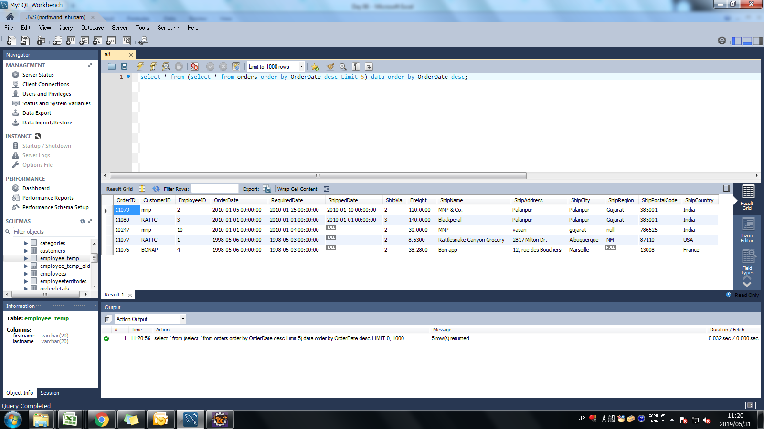
Assignment: | Display 5 latest orders from order.

Query: | select * from (select * from orders order by OrderDate desc Limit 5) data order by OrderDate desc;

Screen Shoot:

